Executive Summary
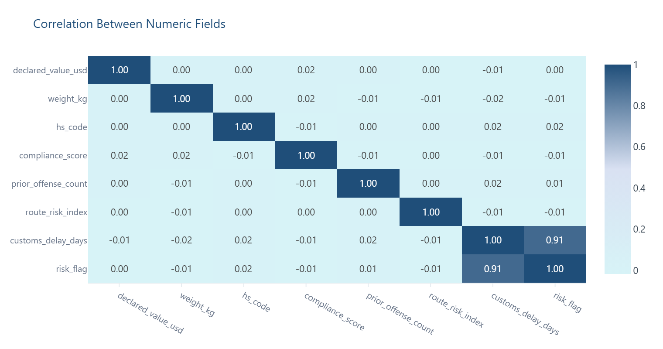
Executive Summary
Top-line metrics and premium visual highlights generated automatically from the cleaned dataset. Charts mirror the live dashboard and are embedded for offline review.

Key Metrics |  | Quality Summary
Original Rows | 10000 | Missing Values | 6709
Cleaned Rows | 10000 | Completeness | 97.0%
Rows Removed | 0 | High-Risk Fields | 1
Columns | 22 | Avg Issue Rate | 3.02%

Overall Risk | 🔴 HIGH RISK | Top Issue | Missing (document_status)

Bottom Line
This dataset is conditionally usable for compliance monitoring, carrier performance benchmarking, and customs delay modelling, but it carries a High overall risk rating that must be resolved before any audit submission or regulatory reporting. Risk is primarily driven by structurally expected missing data, not data corruption - specifically, `document_status` is null for 67.1% of records (6,709 shipments), which almost certainly reflects shipments not yet reaching document finalisation rather than a data extraction failure. However, a critical and separate concern demands immediate attention: `declared_value_usd` fails Benford's Law with a chi-square statistic of 3,878.1 (p < 0.01), a deviation so extreme it cannot be attributed to statistical noise and warrants a formal data integrity investigation before this field is used in any financial or audit context. ---
Risk is primarily driven by structurally expected missing data, not data corruption.

Premium Chart Gallery
Charts are auto-generated from the cleaned dataset and match the live dashboard.

Missing Values by Column
Highlights which fields carry the most missing data after cleaning.
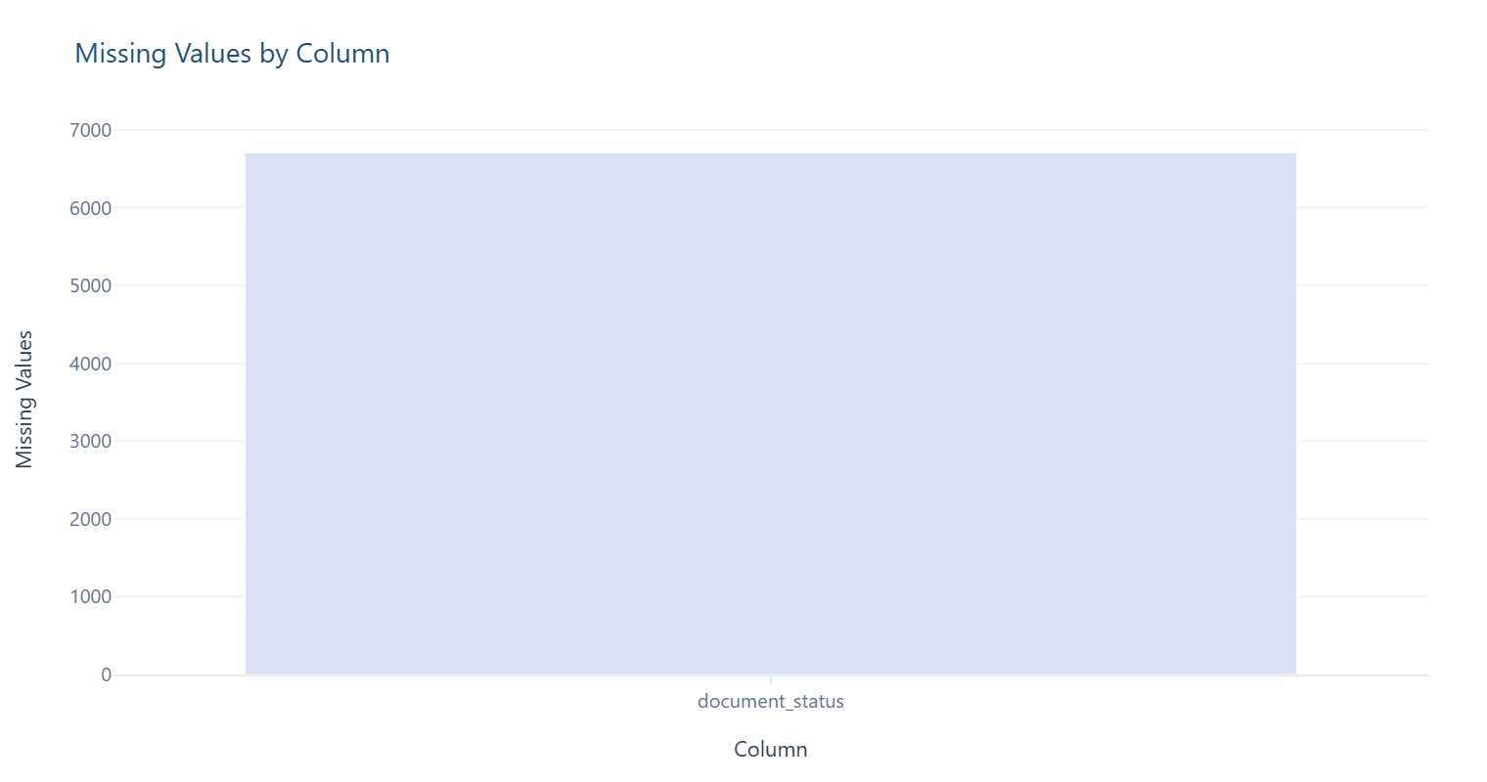

Original vs Cleaned Row Volume
Shows how many records remain after duplicate removal and cleansing.
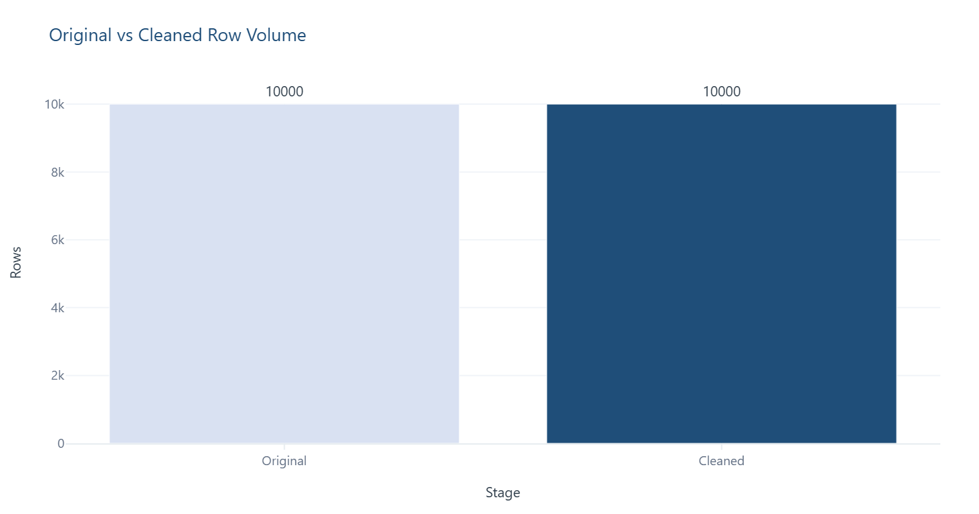

Overall Data Completeness
Proportion of populated cells across the cleaned dataset.
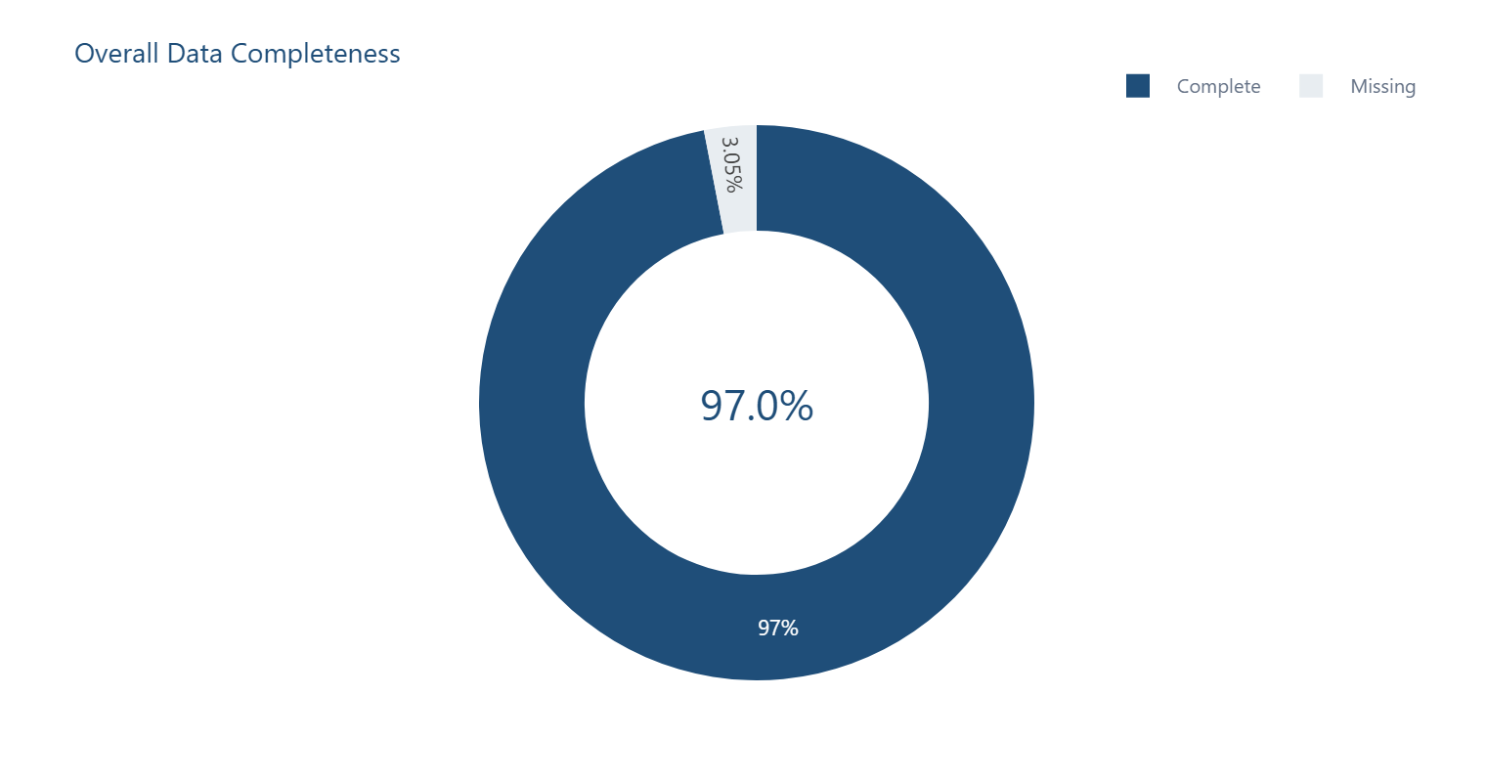

Column Risk Mix
Number of columns flagged at each data-quality risk level.
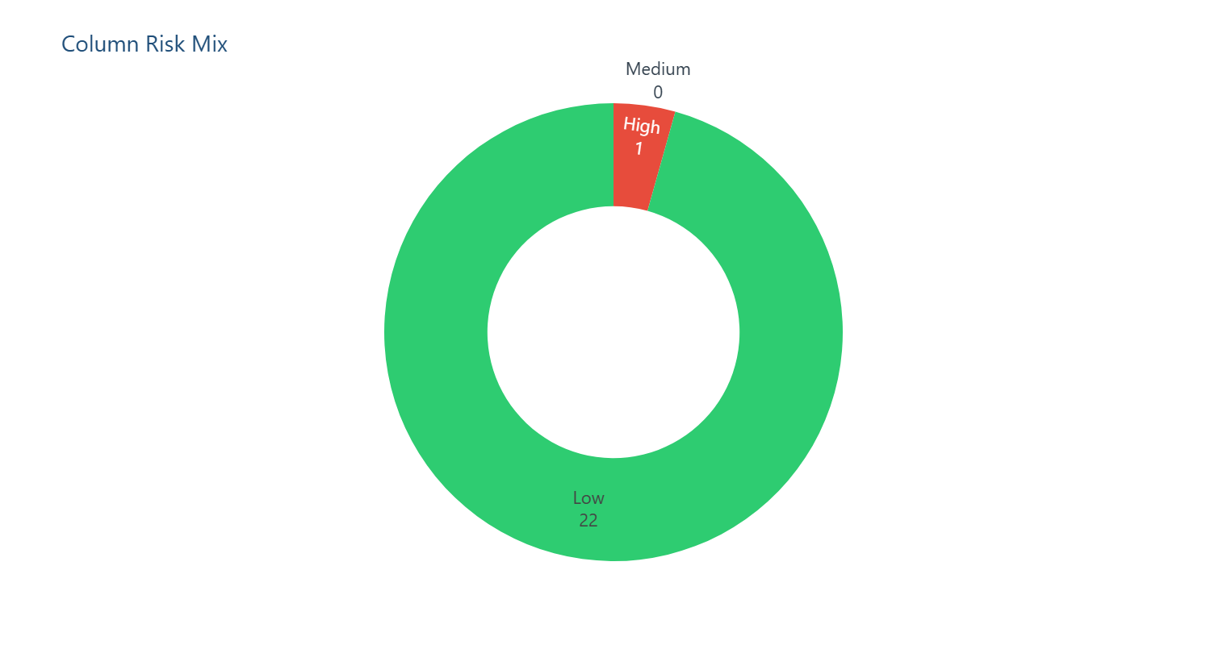

Distribution — declared_value_usd
Frequency spread of values observed in 'declared_value_usd'.
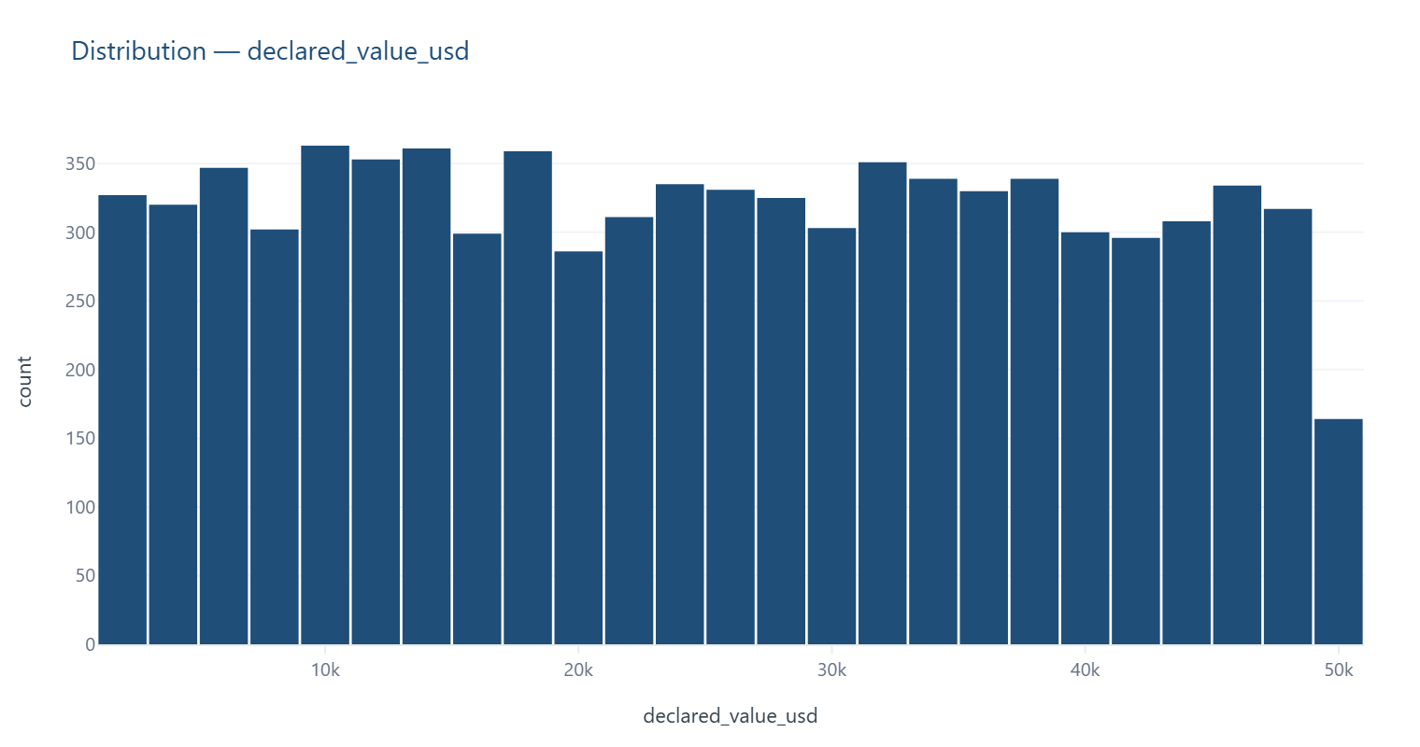

Value Range & Quartiles — declared_value_usd
Shows minimum, Q1, median (line), mean (×), Q3, maximum, and statistical outliers for quick anomaly spotting.
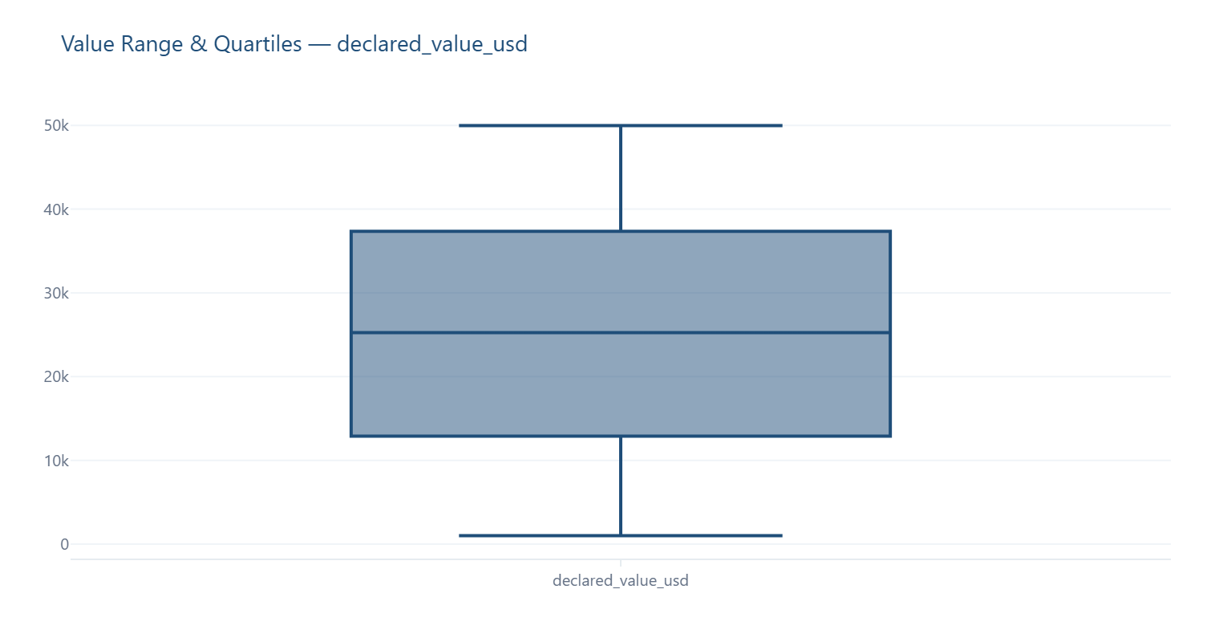

Distribution — weight_kg
Frequency spread of values observed in 'weight_kg'.
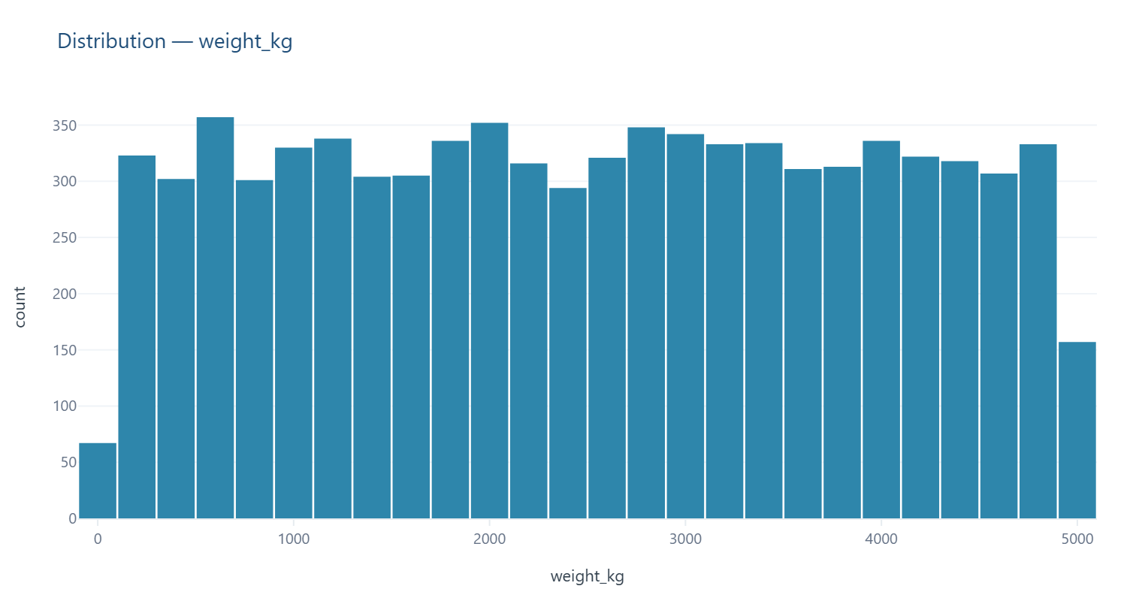

Distribution — hs_code
Frequency spread of values observed in 'hs_code'.
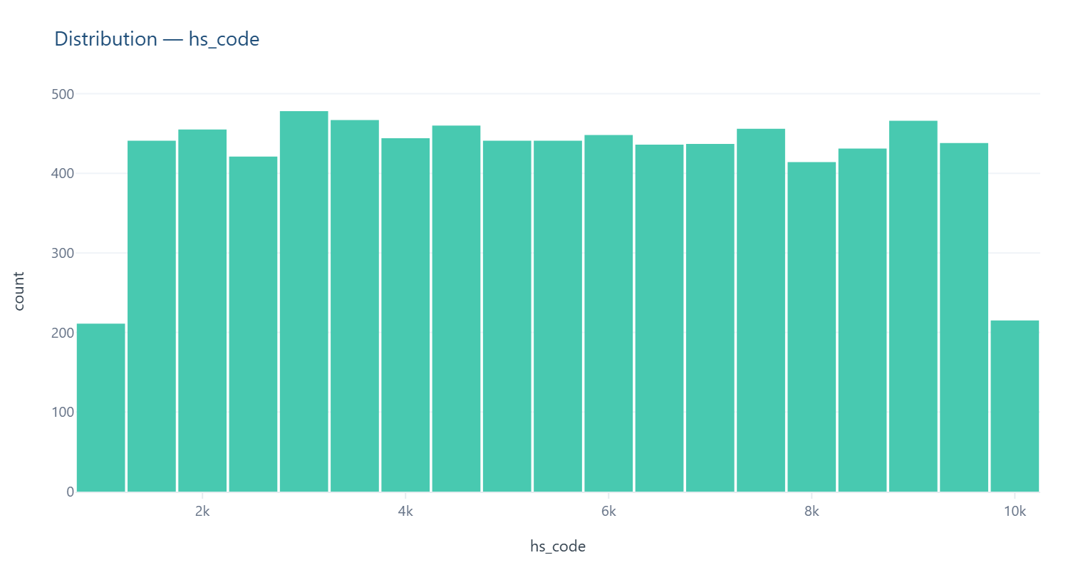

Top Categories — shipment_id
Most frequently occurring values in 'shipment_id', with percentage share of total records.
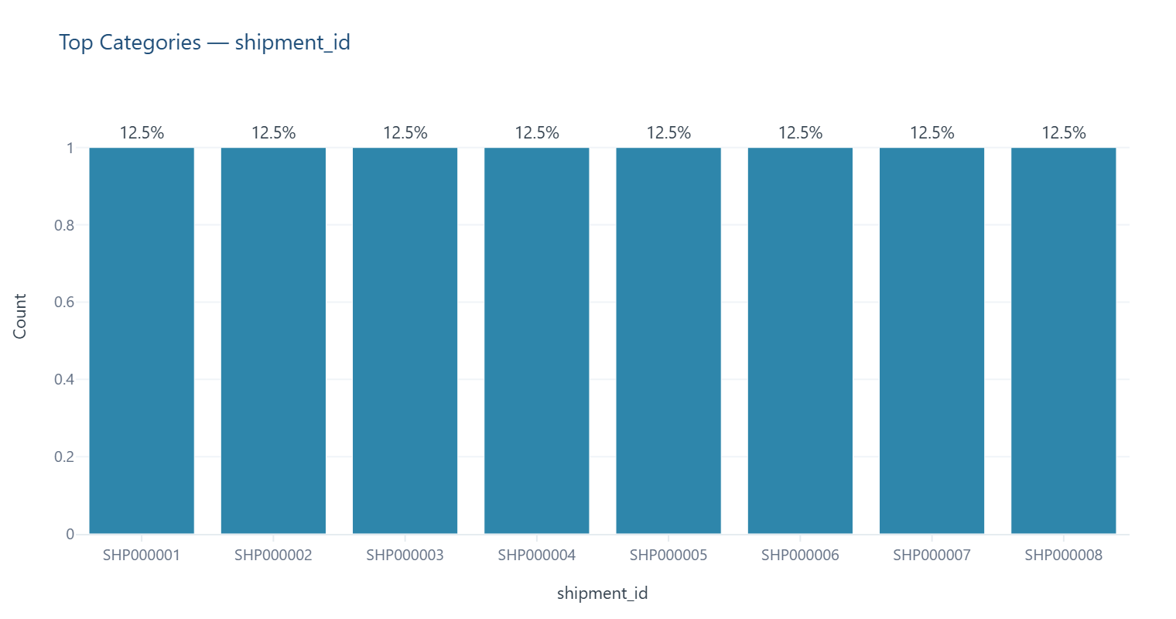

Top Categories — origin_country
Most frequently occurring values in 'origin_country', with percentage share of total records.
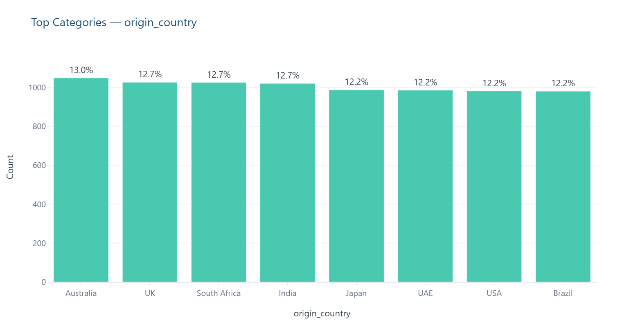

Top Categories — destination_country
Most frequently occurring values in 'destination_country', with percentage share of total records.
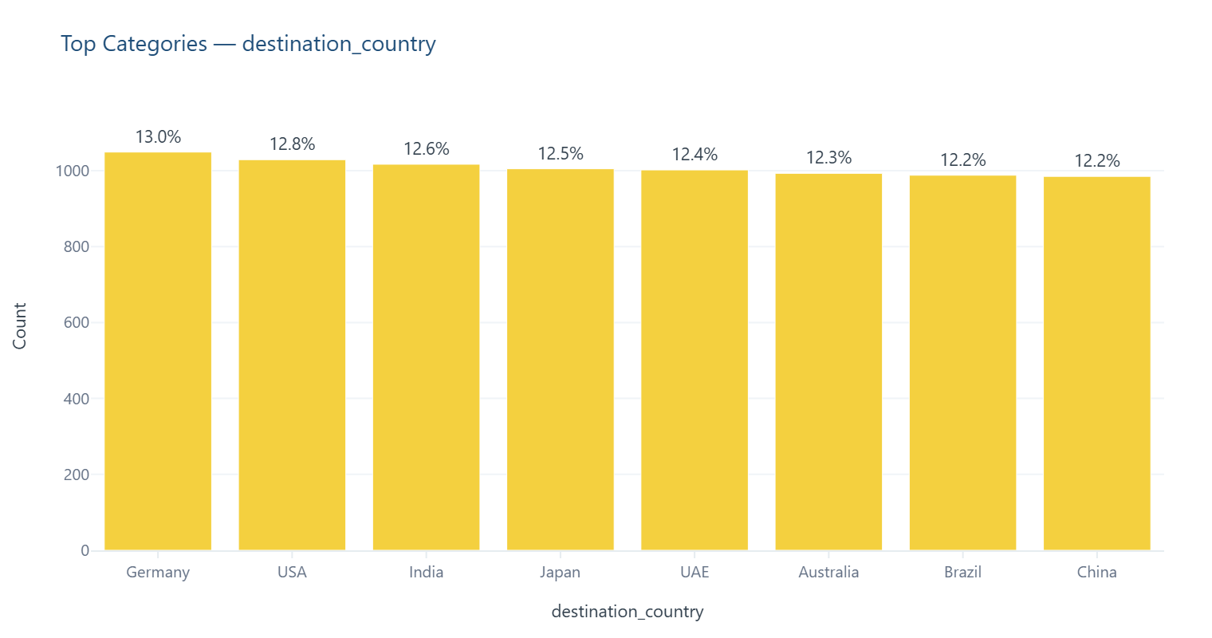

Monthly Total — declared_value_usd
Month-by-month sum of values — useful for spotting revenue/spend trends, gaps, and period-end spikes.
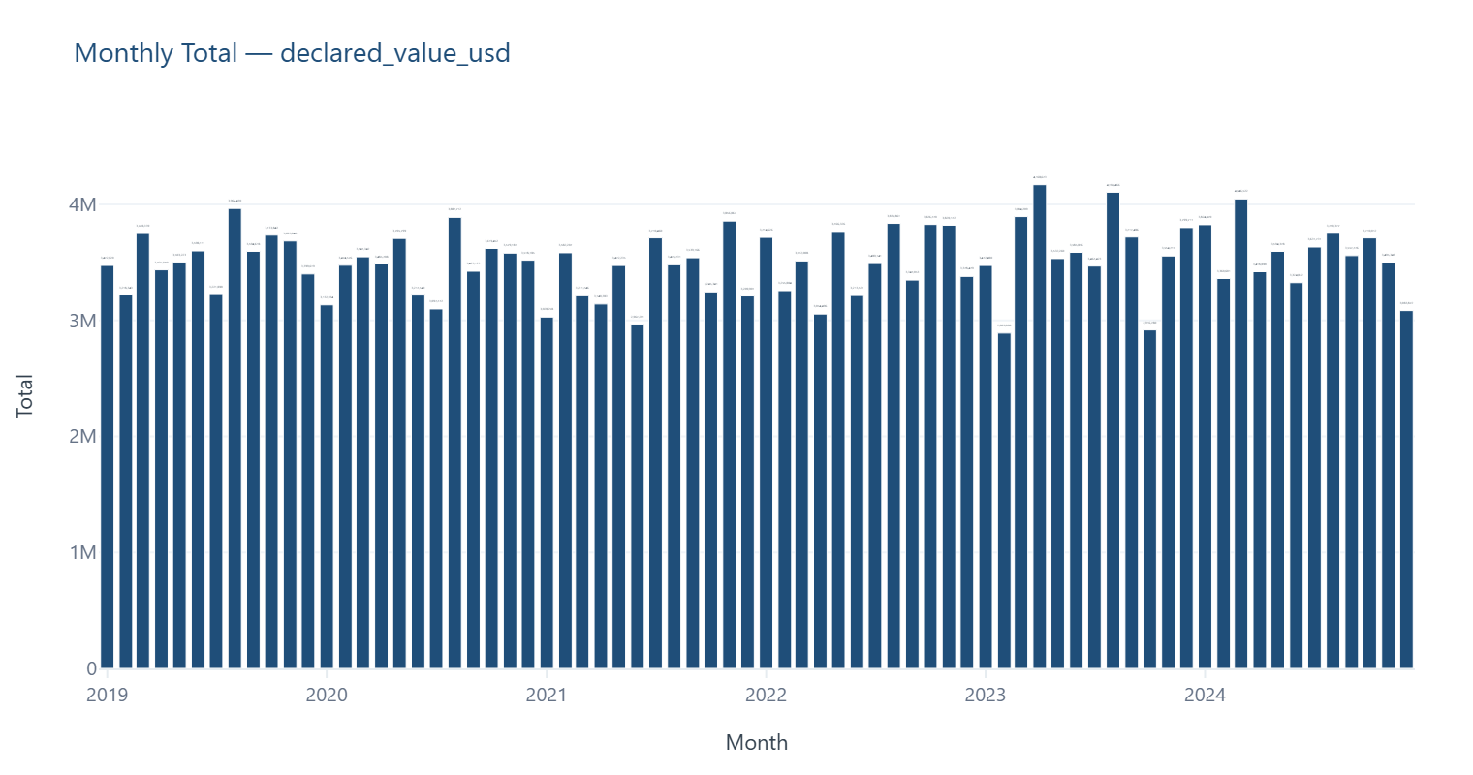

Records Over Time — shipment_date
Volume of records by date — useful for spotting gaps, spikes or seasonality.
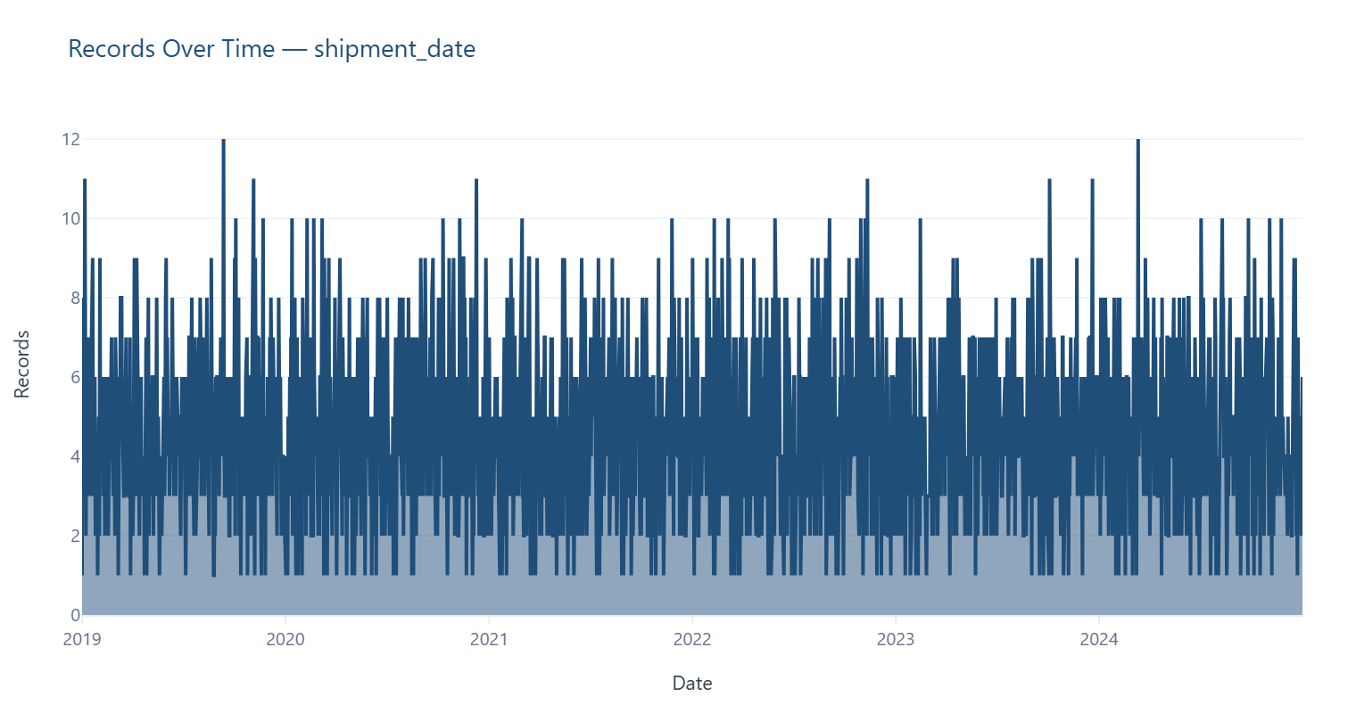

Correlation Between Numeric Fields
Pairwise relationships (Pearson correlation) between numeric columns.

Dashboard
Dashboard Reporting

Missing Values by Column
 |  | Top Columns by Missing Values | Count
Original Rows | 10000 | document_status | 6709
Cleaned Rows | 10000 | shipment_id | 0
Rows Removed | 0 | origin_country | 0
Columns | 22 | customs_delay_days | 0
Missing Values | 6709 | delay_reason | 0
 |  | inspection_type | 0
 |  | route_risk_index | 0
 |  | tariff_category | 0
 |  | prior_offense_count | 0
 |  | compliance_score | 0

Original vs Cleaned Rows
 |  | Dataset Stage | Rows
 |  | Original | 10000
 |  | Cleaned | 10000

Data Completeness

Completeness % | 96.95

Column Risk Levels
Column | Risk Level
shipment_id | 🟢 Low
origin_country | 🟢 Low
destination_country | 🟢 Low
shipment_date | 🟢 Low
estimated_arrival_date | 🟢 Low
actual_arrival_date | 🟢 Low
transport_mode | 🟢 Low
carrier_name | 🟢 Low
route_code | 🟢 Low
commodity_type | 🟢 Low
declared_value_usd | 🟢 Low
weight_kg | 🟢 Low
hs_code | 🟢 Low
document_status | 🔴 High
compliance_score | 🟢 Low
prior_offense_count | 🟢 Low
tariff_category | 🟢 Low
route_risk_index | 🟢 Low
inspection_type | 🟢 Low
delay_reason | 🟢 Low
customs_delay_days | 🟢 Low
risk_flag | 🟢 Low

Data Quality Status
Status | 🔴 HIGH RISK
- 3.02% Average Issue Rate Across Columns
- 0.0% Duplicate Records
- 1 Field(s) with High Risk
- Top Issue: Missing (document_status)

Recommended Action
✅ Data cleaning complete — no further action required.

